Sheet1
FORWARD KINAMATICS |  |  |  |  |  |  |  |  |  | INVERSE KINAMATICS
 | IN |  |  |  |  |  | OUT |  |  |  | IN
 | degrees | radians
J1 * ( -170 / 170 ) | 0.0001 | 1.745329252E-06 |  |  |  | X | 68.718142237 |  |  | X | 68.718142237 | J1 | 9.9999999961E-05
J2 * ( -132 / 0 ) | -90 | -1.5707963268 |  |  |  | Y | 0.00011993578374 |  |  | Y | 0.00011993578374 | J2 | -90
J3 * ( 1 / 140 ) | 1 | -1.5533430343 |  |  |  | Z | 733.61057022 |  |  | Z | 733.61057022 | J3 | 1
 | 0 | 0 |  |  |  | y | -90 | -1.5707963268 |  | y | -90 | J4 | -3.1139010772E-10 | -3.1139010772E-10 | 180
 | 0.0001 | 1.745329252E-06 |  |  |  | p | 1.0001 | 0.017455037849 |  | p | 1.0001 | J5 | 9.9997270186E-05 | 9.9997270186E-05 | -9.9997270186E-05 |  | WRIST CONF. | "F"
 | 0 | 3.1415926536 |  |  |  | r | -90.0001 | -1.5707980721 |  | r | -90.0001 | J6 | 3.1135982681E-10 | 3.1135982681E-10 | -180 |  | QUADRANT | 1

 | DH params
 | joint | Θ | α | d | a |  | WORK FRAME |  | TOOL FRAME | CALCULATE J1 ANGLE
 | 1 | 1.745329252E-06 | -1.5707963268 | 169.77 | 64.2 | X | 0 | X | 0 | J1 ∠ | 1.7453292513E-06 | 9.9999999961E-05
 | 2 | -1.5707963268 | 0 | 0 | 305 | Y | 0 | Y | 0
 | 3 | -1.5533430343 | 1.5707963268 | 0 | 0 | Z | 0 | Z | 0 | CALCULATE J2 AND J3 ANGLE ( note that arm back config is shown but not used and elbow back is not shown or used - to flip robot back past center line would require arm confuration paramaters be attached to each move command )
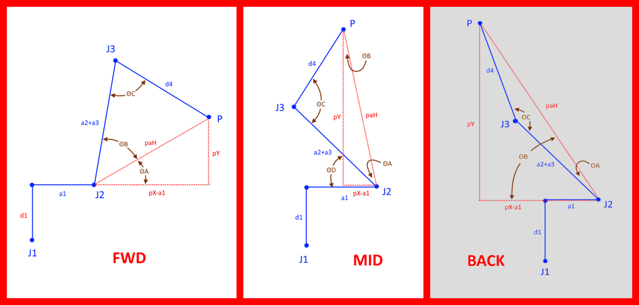
 | 4 | 0 | -1.5707963268 | -222.63 | 0 | yaw (x) | 0 | yaw (x) | 0
 | 5 | 1.745329252E-06 | 1.5707963268 | 0 | 0 | pitch (y) | 0 | pitch (y) | 0 |  | FWD | MID | BACK
 | 6 | 3.1415926536 | 0 | -36.25 | 0 | roll (z) | 0 | roll (z) | 0 | pX | 68.085429245 | same | same
 |  |  |  |  |  |  |  |  |  | pY | 527.59609237 | same | same
 | WORK FRAME |  |  |  |  |  |  |  |  | pX-a1 | 3.8854292451 | -3.8854292451 | 132.28542925
 | 1 | 0 | 0 | 0 |  |  |  |  |  | paH | 527.61039911 | 527.61039911 | 543.92745056
 | 0 | 1 | 0 | 0 |  |  |  |  |  | ΘA | 89.578058526 | 0.4219414741 | #NUM!
 | 0 | 0 | 1 | 0 |  | R 0-1 |  |  |  | ΘB | 0.4219414741 | -0.4219414741 | 75.924268885
 | 0 | 0 | 0 | 1 |  | 1 | -1.0691437182E-22 | -1.745329252E-06 | 64.2 | ΘC | 1 | 1 | #NUM!
 |  |  |  |  |  | 1.745329252E-06 | 6.1257422745E-17 | 1 | 0.00011205013798 | ΘD | na | 90 | na
 | J1 |  |  |  |  | 0 | -1 | 6.1257422745E-17 | 169.77 | J2 ∠ | -90 | -90 | #NUM!
 | 1 | -1.0691437182E-22 | -1.745329252E-06 | 64.2 |  | 0 | 0 | 0 | 1 | J3 ∠ | 1 | 1 | #NUM!
 | 1.745329252E-06 | 6.1257422745E-17 | 1 | 0.00011205013798
 | 0 | -1 | 6.1257422745E-17 | 169.77 |  | R 0-2 |  |  |  | WORK FRAME |  |  |  |  |  |  |  |  | R 0-T
 | 0 | 0 | 0 | 1 |  | 6.125752966E-17 | 1 | -1.745329252E-06 | 64.2 | 1 | 0 | 0 | 0 |  |  |  |  |  | -0.99984766469 | 1.7453292521E-06 | -0.017454151501 | 68.718142237
 |  |  |  |  |  | -6.1257315831E-17 | 1.745329252E-06 | 1 | 0.00011205013796 | 0 | 1 | 0 | 0 |  |  |  |  |  | 1.7450633768E-06 | -1 | -3.0463241058E-08 | 0.00011993578374
 | J2 |  |  |  |  | 1 | -6.1257422745E-17 | 6.1257422745E-17 | 474.77 | 0 | 0 | 1 | 0 |  | R 0-1 |  |  |  | -0.017454151501 | -1.2682560941E-16 | -0.99984766469 | 733.61057022
 | 6.1257422745E-17 | 1 | 0 | 1.8683513937E-14 |  | 0 | 0 | 0 | 1 | 0 | 0 | 0 | 1 |  | 1 | -1.0691437178E-22 | -1.7453292513E-06 | 64.2 | 0 | 0 | 0 | 1
 | -1 | 6.1257422745E-17 | 0 | -305 |  |  |  |  |  |  |  |  |  |  | 1.7453292513E-06 | 6.1257422745E-17 | 1 | 0.00011205013793
 | 0 | 0 | 1 | 0 |  | R 0-3 |  |  |  | J1 |  |  |  |  | 0 | -1 | 6.1257422745E-17 | 169.77 | R 0-T offset by work frame
 | 0 | 0 | 0 | 1 |  | -0.99984769515 | -1.745329252E-06 | -0.017452406437 | 64.2 | 1 | -1.0691437178E-22 | -1.7453292513E-06 | 64.2 |  | 0 | 0 | 0 | 1 | 0.99984766469 | 1.7453292521E-06 | -0.017454151501 | 68.718142237
 |  |  |  |  |  | -1.7450634299E-06 | 1 | -3.046019535E-08 | 0.00011205013796 | 1.7453292513E-06 | 6.1257422745E-17 | 1 | 0.00011205013793 |  |  |  |  |  | 1.7450633768E-06 | -1 | -3.0463241058E-08 | 0.00011993578374
 | J3 |  |  |  |  | 0.017452406437 | 1.2250551569E-16 | -0.99984769516 | 474.77 | 0 | -1 | 6.1257422745E-17 | 169.77 |  | R 0-2 |  |  |  | -0.017454151501 | -1.2682560941E-16 | -0.99984766469 | 733.61057022
 | 0.017452406437 | 6.1248092943E-17 | -0.99984769516 | 0 |  | 0 | 0 | 0 | 1 | 0 | 0 | 0 | 1 |  | -6.3780360132E-15 | 1 | -1.7453292513E-06 | 64.2 | 0 | 0 | 0 | 1
 | -0.99984769516 | 1.0690894391E-18 | -0.017452406437 | 0 |  |  |  |  |  |  |  |  |  |  | -6.1268554518E-17 | 1.7453292513E-06 | 1 | 0.00011205013792
 | 0 | 1 | 6.1257422745E-17 | 0 |  | R 0-4 |  |  |  | J2 |  |  |  |  | 1 | 6.3780361201E-15 | 6.1257422745E-17 | 474.77 | TOOL FRAME
 | 0 | 0 | 0 | 1 |  | -0.99984769515 | 0.017452406437 | -1.745329252E-06 | 68.085429245 | -6.3780361201E-15 | 1 | 0 | -1.9453010166E-12 |  | 0 | 0 | 0 | 1 | 1 | 0 | 0 | 0
 |  |  |  |  |  | -1.7450634299E-06 | 3.0460195411E-08 | 1 | 0.00011883149125 | -1 | -6.3780361201E-15 | 0 | -305 |  |  |  |  |  | 0 | 1 | 0 | 0
 | J4 |  |  |  |  | 0.017452406437 | 0.99984769516 | 6.1257422745E-17 | 697.36609237 | 0 | 0 | 1 | 0 |  | R 0-3 |  |  |  | 0 | 0 | 1 | 0
 | 1 | 0 | 0 | 0 |  | 0 | 0 | 0 | 1 | 0 | 0 | 0 | 1 |  | -0.99984769515 | -1.7453292513E-06 | -0.017452406437 | 64.2 | 0 | 0 | 0 | 1
 | 0 | 6.1257422745E-17 | 1 | 0 |  |  |  |  |  |  |  |  |  |  | -1.7450634292E-06 | 1 | -3.0460195338E-08 | 0.00011205013792
 | 0 | -1 | 6.1257422745E-17 | -222.63 |  | R 0-5 (center spherica wrist) |  |  |  | J3 |  |  |  |  | 0.017452406437 | 1.2250551569E-16 | -0.99984769516 | 474.77 | INVERT TOOL FRAME
 | 0 | 0 | 0 | 1 |  | -0.99984766469 | -1.745329252E-06 | -0.017454151501 | 68.085429245 | 0.017452406437 | 6.1248092943E-17 | -0.99984769516 | 0 |  | 0 | 0 | 0 | 1 | 1 | 0 | 0 | 0
 |  |  |  |  |  | -1.7450633767E-06 | 1 | -3.046324106E-08 | 0.00011883149125 | -0.99984769516 | 1.0690894391E-18 | -0.017452406437 | 0 |  |  |  |  |  | 0 | 1 | 0 | 0
 | J5 |  |  |  |  | 0.017454151501 | 1.2250551382E-16 | -0.99984766469 | 697.36609237 | 0 | 1 | 6.1257422745E-17 | 0 |  | R 0-3 transposed |  |  |  | 0 | 0 | 1 | 0
 | 1 | -1.0691437182E-22 | 1.745329252E-06 | 0 |  | 0 | 0 | 0 | 1 | 0 | 0 | 0 | 1 |  | -0.99984769515 | -1.7450634292E-06 | 0.017452406437 |  | 0 | 0 | 0 | 1
 | 1.745329252E-06 | 6.1257422745E-17 | -1 | 0 |  |  |  |  |  |  |  |  |  |  | -1.7453292513E-06 | 1 | 1.2250551569E-16
 | 0 | 1 | 6.1257422745E-17 | 0 |  | R 0-6 |  |  |  |  |  |  |  |  | -0.017452406437 | -3.0460195338E-08 | -0.99984769516 |  | R 0-6
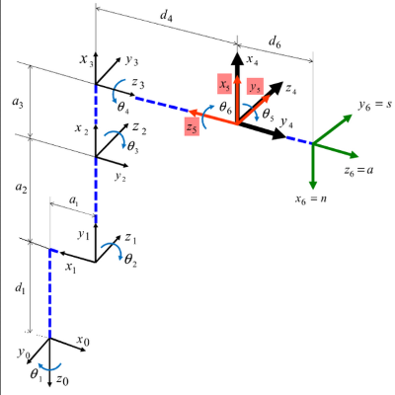
 | 0 | 0 | 0 | 1 |  | 0.99984766469 | 1.7453292521E-06 | -0.017454151501 | 68.718142237 |  |  |  |  |  |  |  |  |  | 0.99984766469 | 1.7453292521E-06 | -0.017454151501 | 68.718142237
 |  |  |  |  |  | 1.7450633769E-06 | -1 | -3.046324106E-08 | 0.00011993578374 |  |  |  |  |  |  |  |  |  | 1.7450633768E-06 | -1 | -3.0463241058E-08 | 0.00011993578374
 | J6 |  |  |  |  | -0.017454151501 | -1.246439065E-16 | -0.99984766469 | 733.61057022 |  |  |  |  |  |  |  |  |  | -0.017454151501 | -1.2682560941E-16 | -0.99984766469 | 733.61057022
 | -1 | -1.2251484549E-16 | 0 | 0 |  | 0 | 0 | 0 | 1 |  |  |  |  |  |  |  |  |  | 0 | 0 | 0 | 1
 | 1.2251484549E-16 | -1 | 0 | 0
 | 0 | 0 | 1 | -36.25 |  | R 0-T |  |  |  |  |  |  |  |  |  |  |  |  | REMOVE R 0-6
 | 0 | 0 | 0 | 1 |  | 0.99984766469 | 1.7453292521E-06 | -0.017454151501 | 68.718142237 |  |  |  |  |  |  |  |  |  | -1 | 1.2251484549E-16 | 0 | 0
 |  |  |  |  |  | 1.7450633769E-06 | -1 | -3.046324106E-08 | 0.00011993578374 |  |  |  |  |  |  |  |  |  | -1.2251484549E-16 | -1 | 0 | 0
 | TOOL FRAME |  |  |  |  | -0.017454151501 | -1.246439065E-16 | -0.99984766469 | 733.61057022 |  |  |  |  |  |  |  |  |  | 0 | 0 | 1 | 36.25
 | 1 | 0 | 0 | 0 |  | 0 | 0 | 0 | 1 |  |  |  |  |  |  |  |  |  | 0 | 0 | 0 | 1
 | 0 | 1 | 0 | 0
 | 0 | 0 | 1 | 0 |  |  |  |  |  |  |  |  |  |  |  |  |  |  | R 0-5 (center spherica wrist)
 | 0 | 0 | 0 | 1 |  |  |  |  |  |  |  |  |  |  |  |  |  |  | -0.99984766469 | -1.745329252E-06 | -0.017454151501 | 68.085429245
 |  |  |  |  |  |  |  |  |  |  |  |  |  |  |  |  |  |  | -1.7450633767E-06 | 1 | -3.0463241058E-08 | 0.00011883149125
 |  |  |  |  |  |  |  |  |  |  |  |  |  |  |  |  |  |  | 0.017454151501 | 1.2468721674E-16 | -0.99984766469 | 697.36609237
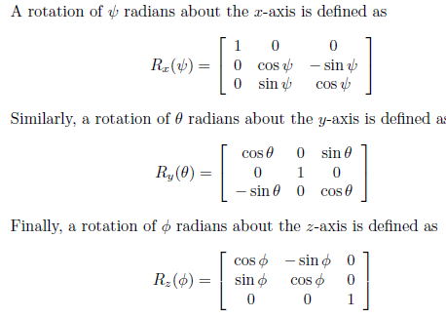
 |  |  |  |  |  |  |  |  |  |  |  |  |  |  |  |  |  |  | 0 | 0 | 0 | 1

 |  |  |  |  |  |  |  |  |  |  |  |  |  |  |  |  |  |  | R 3-6 (spherical wrist orietation)
 |  |  |  |  |  |  |  |  |  |  |  |  |  |  |  |  |  |  | 1 | 6.6836454038E-16 | 1.7453292857E-06
 |  |  |  |  |  |  |  |  |  |  |  |  |  |  |  |  |  |  | -6.6836458089E-16 | 1 | -9.4854852995E-18
 |  |  |  |  |  |  |  |  |  |  |  |  |  |  |  |  |  |  | -1.7453292857E-06 | 9.4843159006E-18 | 1

